2
A | B | B/A | 1 |  | m1 |  |  |  | m2 |  |  |  | m3 |  |  |  | m4

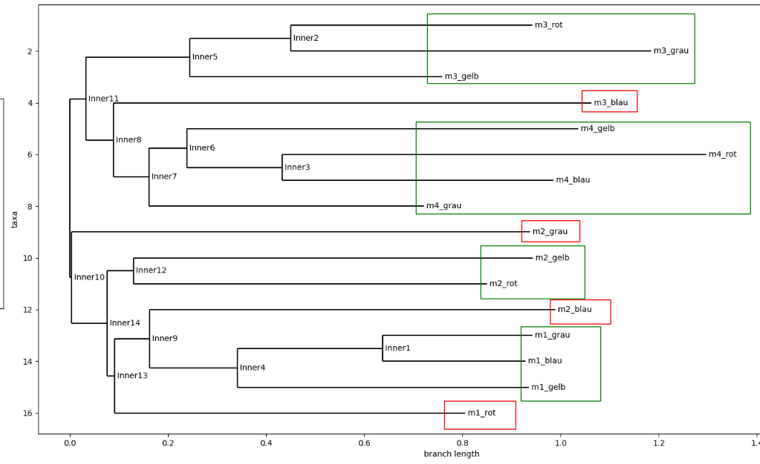
Sum of ‘same-material‘ pairwise distance | Sum of ‘different-material‘ pairwise distance |  |  |  | m1_yellow | m1_gray | m1_red | m1_blue | m2_yellow | m2_red | m2_blue | m2_gray | m3_red | m3_yellow | m3_blue | m3_gray | m4_yellow | m4_gray | m4_red | m4_blue
6.2666810835 | 321.92609107 | 51.371066562 | m1 | m1_yellow | 0 | 0 | 0 | 0 | 0 | 0 | 0 | 0 | 0 | 0 | 0 | 0 | 0 | 0 | 0 | 0 | 32.044196182
 |  |  |  | m1_gray | 0.71993215823 | 0 | 0 | 0 | 0 | 0 | 0 | 0 | 0 | 0 | 0 | 0 | 0 | 0 | 0 | 0 | 29.493829482
 |  |  |  | m1_red | 1.2730431824 | 1.6105893392 | 0 | 0 | 0 | 0 | 0 | 0 | 0 | 0 | 0 | 0 | 0 | 0 | 0 | 0 | 17.725780592
 |  |  |  | m1_blue | 0.6232367395 | 0.29968927618 | 1.740190388 | 0 | 0 | 0 | 0 | 0 | 0 | 0 | 0 | 0 | 0 | 0 | 0 | 0 | 29.497704027
29.534494275 | 346.71267569 | 11.739245388 | m2 | m2_yellow | 7.8596674984 | 7.6639482496 | 7.8068887535 | 7.4823944362 | 0 | 0 | 0 | 0 | 0 | 0 | 0 | 0 | 0 | 0 | 0 | 0 | 5.9640740695
 |  |  |  | m2_red | 5.3561328714 | 4.3932055483 | 5.0785120084 | 4.5617040339 | 2.4631708244 | 0 | 0 | 0 | 0 | 0 | 0 | 0 | 0 | 0 | 0 | 0 | 6.9303659082
 |  |  |  | m2_blue | 6.5620626932 | 5.5903443664 | 6.1497769078 | 5.8460449301 | 3.4768025472 | 1.6508178894 | 0 | 0 | 0 | 0 | 0 | 0 | 0 | 0 | 0 | 0 | 7.6037550433
 |  |  |  | m2_gray | 9.4275392833 | 7.6808097539 | 8.9415944038 | 8.4347796341 | 9.6618494635 | 6.6748158941 | 5.6070376566 | 0 | 0 | 0 | 0 | 0 | 0 | 0 | 0 | 0 | 4.4326235351
29.6867605 | 400.00279276 | 13.474113915 | m3 | m3_red | 9.272023663 | 8.4298152646 | 8.6738815977 | 8.6198974244 | 4.0238321688 | 4.4617572031 | 4.7353854754 | 7.677004534 | 0 | 0 | 0 | 0 | 0 | 0 | 0 | 0 | 8.2995501108
 |  |  |  | m3_yellow | 9.1180495197 | 8.3562915805 | 8.4283216371 | 8.4945532442 | 4.0501530571 | 4.4804677373 | 4.8376299095 | 7.6699520881 | 0.63710692378 | 0 | 0 | 0 | 0 | 0 | 0 | 0 | 8.125421764
 |  |  |  | m3_blue | 10.944639954 | 11.787494742 | 9.1776496299 | 11.669300601 | 10.577505815 | 11.688576934 | 11.545748416 | 15.312942487 | 8.9614975244 | 8.7256384351 | 0 | 0 | 0 | 0 | 0 | 0 | 5.0365575285
 |  |  |  | m3_gray | 10.200785624 | 9.1692650917 | 9.7284222889 | 9.4042534811 | 4.1162306057 | 4.6398535006 | 4.6342273054 | 7.6123714926 | 0.8078351091 | 1.0951860991 | 9.459496409 | 0 | 0 | 0 | 0 | 0 | 8.0909310572
12.459916044 | 323.89418063 | 25.994892701 | m4 | m4_yellow | 3.2110309973 | 3.0059065238 | 3.9377670319 | 2.8921157321 | 10.114393953 | 7.0478099282 | 7.5340400418 | 5.6564923087 | 7.2215456939 | 6.9953672284 | 11.037082164 | 7.7383557872 | 0 | 0 | 0 | 0 | 16.113887459
 |  |  |  | m4_gray | 3.6575826497 | 4.1767063427 | 4.1268986325 | 4.0287755342 | 10.784822364 | 9.9230310741 | 10.148129536 | 8.611197432 | 9.9640018351 | 9.744369661 | 7.9022609433 | 10.656582168 | 2.5365169331 | 0 | 0 | 0 | 10.451697932
 |  |  |  | m4_red | 4.4571466756 | 3.7890363354 | 4.9731584676 | 3.7645037204 | 8.2669030254 | 5.9867963505 | 6.4244333087 | 4.5290948284 | 6.0117676106 | 5.7779702244 | 12.180903542 | 6.3859906033 | 1.2700389776 | 3.7950521448 | 0 | 0 | 11.418733438
 |  |  |  | m4_blue | 3.7677517205 | 3.5321642611 | 4.937999033 | 3.3574966909 | 10.303687081 | 7.1525164546 | 7.6158877232 | 5.7143961831 | 7.27785411 | 7.0219779876 | 12.901470402 | 7.6470087277 | 0.93419380494 | 2.6358119911 | 1.2883021926 | 0 | 16.719856083

A | B | B/A | 2 |  | m1 |  |  |  | m2 |  |  |  | m3 |  |  |  | m4

Sum of ‘same-material‘ pairwise distance | Sum of ‘different-material‘ pairwise distance |  |  |  | m1_yellow | m1_gray | m1_red | m1_blue | m2_yellow | m2_red | m2_blue | m2_gray | m3_red | m3_yellow | m3_blue | m3_gray | m4_yellow | m4_gray | m4_red | m4_blue
3.5844271774 | 379.00913319 | 105.73771329 | m1 | m1_yellow | 0 | 0 | 0 | 0 | 0 | 0 | 0 | 0 | 0 | 0 | 0 | 0 | 0 | 0 | 0 | 0 | 65.823302908
 |  |  |  | m1_gray | 0.36470314573 | 0 | 0 | 0 | 0 | 0 | 0 | 0 | 0 | 0 | 0 | 0 | 0 | 0 | 0 | 0 | 59.22633307
 |  |  |  | m1_red | 0.73402678656 | 0.7583105802 | 0 | 0 | 0 | 0 | 0 | 0 | 0 | 0 | 0 | 0 | 0 | 0 | 0 | 0 | 39.403625639
 |  |  |  | m1_blue | 0.34729345326 | 0.49967597162 | 0.88041724003 | 0 | 0 | 0 | 0 | 0 | 0 | 0 | 0 | 0 | 0 | 0 | 0 | 0 | 54.548298321
25.766785733 | 355.56406555 | 13.799317821 | m2 | m2_yellow | 4.8350755364 | 4.9390526082 | 4.1933543769 | 4.923304978 | 0 | 0 | 0 | 0 | 0 | 0 | 0 | 0 | 0 | 0 | 0 | 0 | 6.7955327596
 |  |  |  | m2_red | 1.8450824672 | 1.9133523804 | 1.4555962073 | 1.92184124 | 3.2662603771 | 0 | 0 | 0 | 0 | 0 | 0 | 0 | 0 | 0 | 0 | 0 | 8.7134499388
 |  |  |  | m2_blue | 2.0341876887 | 2.1108081545 | 1.5615199525 | 2.2277998876 | 2.3778652382 | 1.6260349736 | 0 | 0 | 0 | 0 | 0 | 0 | 0 | 0 | 0 | 0 | 8.2150984902
 |  |  |  | m2_gray | 3.8448352482 | 3.8631026173 | 4.1463089342 | 3.7062130328 | 7.3135798047 | 4.8670637373 | 6.3159816019 | 0 | 0 | 0 | 0 | 0 | 0 | 0 | 0 | 0 | 5.2816673726
6.3592678043 | 469.4186154 | 73.816456523 | m3 | m3_red | 9.5995200748 | 9.6637095714 | 9.3637780636 | 9.4564907337 | 8.0712532987 | 8.9468746391 | 8.9799406889 | 10.412885899 | 0 | 0 | 0 | 0 | 0 | 0 | 0 | 0 | 46.025743757
 |  |  |  | m3_yellow | 9.83946155 | 9.9058829847 | 9.5675082673 | 9.659849546 | 8.3449538279 | 9.1460091979 | 9.1470578128 | 10.458556337 | 0.55514501328 | 0 | 0 | 0 | 0 | 0 | 0 | 0 | 46.041033496
 |  |  |  | m3_blue | 9.9893294136 | 10.081293541 | 9.9964802479 | 9.8452876959 | 7.7646903937 | 9.8662662641 | 9.5586111365 | 11.124081881 | 1.5344714223 | 1.1942075957 | 0 | 0 | 0 | 0 | 0 | 0 | 25.362925688
 |  |  |  | m3_gray | 9.5961935636 | 9.6828922508 | 9.4148957695 | 9.4279391876 | 8.1781343234 | 8.9409281627 | 9.0813565454 | 10.347940669 | 0.48927394259 | 0.86385637598 | 1.7223134545 | 0 | 0 | 0 | 0 | 0 | 38.211797263
6.5873169073 | 498.02883644 | 75.604201748 | m4 | m4_yellow | 11.005523963 | 11.003470032 | 10.82698459 | 10.793650877 | 9.1109141059 | 10.893287869 | 10.378530571 | 10.486003247 | 11.719802845 | 11.676324524 | 8.7086499364 | 11.170404058 | 0 | 0 | 0 | 0 | 40.850629263
 |  |  |  | m4_gray | 11.056471157 | 11.331952367 | 11.309559836 | 11.050916939 | 9.2781940665 | 9.9634282884 | 9.7754416239 | 9.9392441797 | 10.986888298 | 11.020175576 | 8.7533136256 | 10.675285441 | 0.87314237373 | 0 | 0 | 0 | 45.470499474
 |  |  |  | m4_red | 10.806891693 | 10.809820666 | 10.907864347 | 10.695072729 | 8.9562901388 | 9.54333276 | 9.3962265684 | 9.5222459842 | 10.394597257 | 10.260990577 | 8.5843378891 | 10.274918004 | 1.2280748465 | 0.70203177697 | 0 | 0 | 34.225563725
 |  |  |  | m4_blue | 10.729462963 | 10.800623323 | 10.751283668 | 10.517636268 | 9.459294017 | 10.601687372 | 10.527364876 | 9.8416034958 | 11.099606352 | 11.28807221 | 8.6178492909 | 10.727345972 | 1.0266059963 | 1.1769590532 | 1.5805028607 | 0 | 33.023146724

